Sheet1
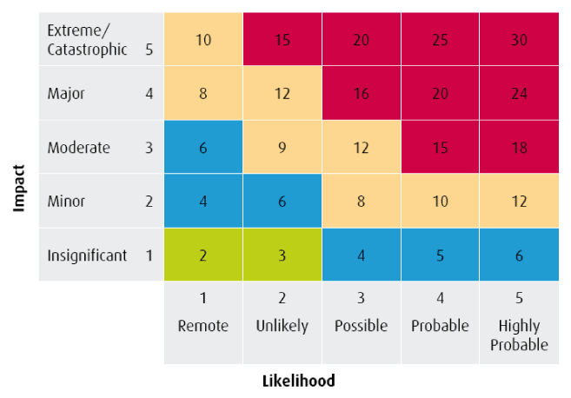
NUS Charity: Risk Register Template |  |  |  |  |  | [organisation name ] Students’ Union Organisational Risk Register [Year]

 |  | Completed By: |  |  |  | Department: |  |  | Date:

Category | Strategic Aim | Risk Identified | Likelihood | Impact | Residual Risk (LxI)+I | Control Procedure | Likelihood | Impact | Residual Risk (LxI)+I | Who | Comments
categorise risks (finance governance, compliance, people, data, operations, for example) | [Note which strategic aim/ objective this issue links to] | [detail what the risk is] | out of 5 | out of 5 | #VALUE! | [detail what range of control measures are already in place or are being introduced] | out of 5 | out of 5 | #VALUE! | [who owns this risk] | [note any changes or new considerations]
Finance F1 Unplanned increase in costs or decrease in funding |  | Increase in payroll costs | 5 | 5 | 30 | Reward review and payscale renegotiation Detailed assumptions in the 5 year plan Scenario planning | 4 | 4 | 20
 |  | Cut in grant funding as a result of government policy or University strategic decision making | 3 | 5 | 20 | Scenario planning. 5 year planning inncluding realistic grant funding Building and managing Union/SU relationships | 2 | 5 | 15
Finance F2 Commercial Contribution Targets not met |  | Food and beverage offer fails to meet budgeted income and contribution levels (legislation restricts alcohol sales, general decrease in usage of outlets, issues on value for money) | 3 | 4 | 16 | Termly performance reviews Monthly review of management accounts Realistic budgeting | 2 | 3 | 9
 |  | Failure to innovate and find additional income sources | 4 | 3 | 15 | Review of other commercial activity - sponsorship, media sales Income Generation Strategy | 3 | 3 | 12
 |  | Not receiving requested standstill block grant bid | 3 | 5 | 20 | Regular review of HE funding decisions and impact on the University's 5 year planning. Stakeholder relations approach Scenario planning | 1 | 4 | 8
Finance F3 Reserves and cashflow not met |  | Cashflow is poor. Inability to fund outgoings on a monthly basis. Dramatic loss of income against budget | 2 | 4 | 12 | Monthly review of management accounts Cashflow monitored weekly Review financial plans Quarterly reports to University on financial performance/cashflow | 1 | 3 | 6
Finance F4 Fraud |  | Fraud carried out by staff, volunteers or third parties | 4 | 4 | 20 | Financial procedures, levels of authorisation, disciplinary processes, training and information Regular Audit as required | 3 | 3 | 12
Compliance C1 Health and Safety Compliance |  | Failure to carry out appropriate risk assessment and apply relevant procedures | 3 | 4 | 16 | Health & safety committee review risk assessments All departments have risk assessment in place and training records in place | 2 | 4 | 12
Compliance C2 Charity Commission Compliance |  | Failure to operate within charitable aims (policies that are ultra vires, expenditure that is ultra vires) | 3 | 4 | 16 | Production of annual report to focus on charitable objectives Regular training for trustees on their responsibilities. | 2 | 3 | 9
 |  | Failure to comply with reporting requirements (failure to return accounts, annual report) | 2 | 4 | 12 | Compliance calendar completed | 1 | 4 | 8
Compliance C3 Education Act Compliance |  | Failure to comply with section 22 and 23 | 3 | 4 | 16 | Reviewed MOU with University Detailed appendix on Education Act requirements Compliance report reported to Trustees annually and to University Council | 1 | 4 | 8
Governance G1 Absence or failure of Strategy |  | Strategy is out of date, absent or based on incorrect analysis | 4 | 4 | 20 | Strategic Review to be carried out every 3 to 4 years Actions to be reviewed annually KPI's to be reviewed annually Annual Members Survey Departmental horizon scanning | 3 | 3 | 12
 |  | Lack of organisational engagement with strategy | 3 | 3 | 12 | Communicate key priorities to all stakeholders. Continually reinforce these projects and progress against them Regular and face to face communication | 2 | 3 | 9
Governance G2 Trustee Board failure |  | Board of Trustees do not have the relevant skills base | 2 | 4 | 12 | Recruitment based on skills audit findings and strategic aims Skills Audit carried out regularly Good induction and ongoing training | 1 | 4 | 8
 |  | Lack of engagement by the Trustee Board | 4 | 4 | 20 | Involvement of Trustee Board in discussions on strategic items Review induction and ongoing training Recruitment of trustees with strong commitment to the SU | 2 | 3 | 9
Staff S1 Loss of Key Staff and Key Skills |  | Loss of CEO or Finance Director | 5 | 5 | 30 | Board manual in place Development plans in place Handover documentation underway | 5 | 3 | 18
 |  | Loss of key people in departments, particularly sudden high turnover | 3 | 4 | 16 | Embed succession planning Assessment of potential turnover regularly Appropriate reward and retention mechanisms Operations manuals in place | 3 | 3 | 12
Staff S2 Legal Claims |  | Claims for unfair dismissal/ wrongful dismissal/ constructive dismissal | 3 | 5 | 20 | Ensure managers know how to implement the policies and procedures we have Regular training Regular review of policy | 2 | 4 | 12
 |  | Claims relating to stress or ill-health | 4 | 4 | 20 | Review resource requirements carry out stress audits at least every 3 years or as required monitor absences levels | 3 | 4 | 16
Staff S3 Insufficient Resources or Skills to Deliver strategy |  | Lack of motivation/ ability to develop new skills | 3 | 3 | 12 | Performance management systems to be used Communicate the importance of strategic objectives Review HR strategy in light of new strategic plan | 2 | 3 | 9
 |  | Inability to recruit when vacancies arise | 3 | 3 | 12 | Use all available means to attract candidates. Ensure diversity considerations are included | 2 | 3 | 9
Staff S4 Substantial Staff Illness |  | Pandemic or epidemic outbreak – loss of large numbers of staff for short, medium or long term | 2 | 4 | 12 | Agreed priorities for service continuity Clear procedures for Major incidents agreed Procedures in place to advise staff who become ill | 2 | 3 | 9
 |  | High levels of staff absence in specific departments | 3 | 4 | 16 | Agreed priorities for service continuity Contingency plans in place Absence policy to be applied | 2 | 3 | 9
Organisation O1 Catastrophic Loss of Building |  | Loss of Union Building | 1 | 5 | 10 | Emergency Plan reviewed and relevant staff trained Review of all Business Recovery and Operations Manuals | 1 | 4 | 8
Reputation R1 Poor member Engagement |  | Perception of SU as being irrelevant, ineffective or not credible with large proportions of student body | 3 | 4 | 16 | Implementation and evaluation of Communications Strategy to further engage members in all activities | 2 | 3 | 9
Reputation R2 Major Incident |  | Safety – major incident involving the safety of students, staff or visitors | 3 | 5 | 20 | Emergency plans in place Liaison with the University on any major incidents or potential incidents Risk assessments and procedures in place | 3 | 5 | 20
 |  | Students invite a controversial external speaker – risks to safety of students and others. Risk of reputational damage due to discriminatory content or incitement to hate crimes. Risk of charity commission involvement | 5 | 5 | 30 | External speakers risk assessment process, Room bookings procedures includes declaration of speakers. Liaison with University | 3 | 5 | 20
Reputation R3 Poor Community Reputation |  | Complaints from local residents about students behaviour | 3 | 4 | 16 | Complaints protocol in place Regular liaison with community forums, councillors and community partners | 2 | 3 | 9
Reputation R4 Poor Relationship with University |  | University attitude to SU changes as a result of changes in senior leadership, University strategy, or in attitude of SU to University relationships | 4 | 5 | 25 | MOU Induction for new members of University senior leadership team to SU Effective induction for officers Strategic relationship building activties to take place at all levels | 3 | 5 | 20
Information I1 Catastrophic Failure of IT Systems |  | Loss of or corruption of network (out of our control, power outages, viruses, malware attacks) – Short term, medium term, long term | 4 | 5 | 25 | Ensure adequate insurance protection Develop and agree an SLA with IT services for networked services | 4 | 3 | 15
Information I2 Corruption or Loss of Data/ records |  | Critical records destroyed | 1 | 5 | 10 | Ensure adequate insurance protection Back ups taken. | 1 | 5 | 10
 |  | Information security breached | 3 | 5 | 20 | Data Protection Policy - Data breach records kept Data Sharing agreement in place Privacy statement in place Training and guidance in place for staff and students | 2 | 4 | 12
Information I3 Breach of Data Protection Act2018 |  | Inappropriate use of data | 3 | 4 | 16 | Training in Data Protection for all staff Data Protection Policy Data Sharing agreement in place Privacy statement in place | 2 | 3 | 9

The Risk Assessment Process:

This assessment methodology has been developed in line with the guidance set out in the Charities Commission Guide (CC26).
The process weights impact more highly than likelihood. Once the assessment of impact and then likelihood is complete, the weighting is applied to the impact score and then the two scores are
multiplied to give a final rating. The graph below gives a clear indication of the risk level generated as a result.

Impact

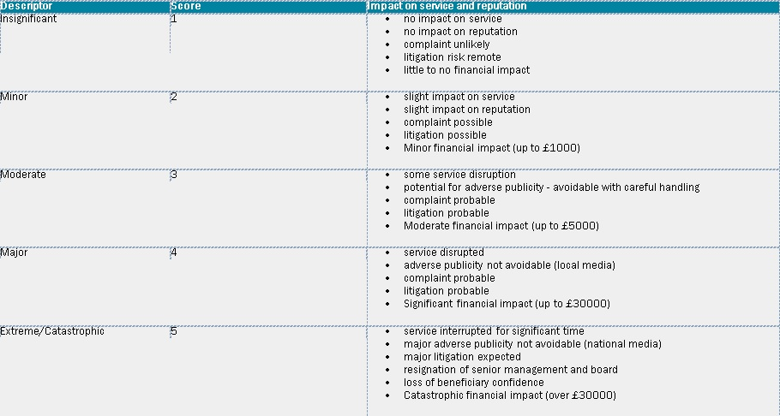

Likelihood

In interpreting the risk heat map below, likelihood is x and impact is y. The colour codes are:

Red - |  | major or extreme/catastrophic risks that score 15 or more
Yellow - |  | moderate or major risks that score between 8 and 14
Blue or green - |  | minor or insignificant risks scoring 7 or less

